Sheet1
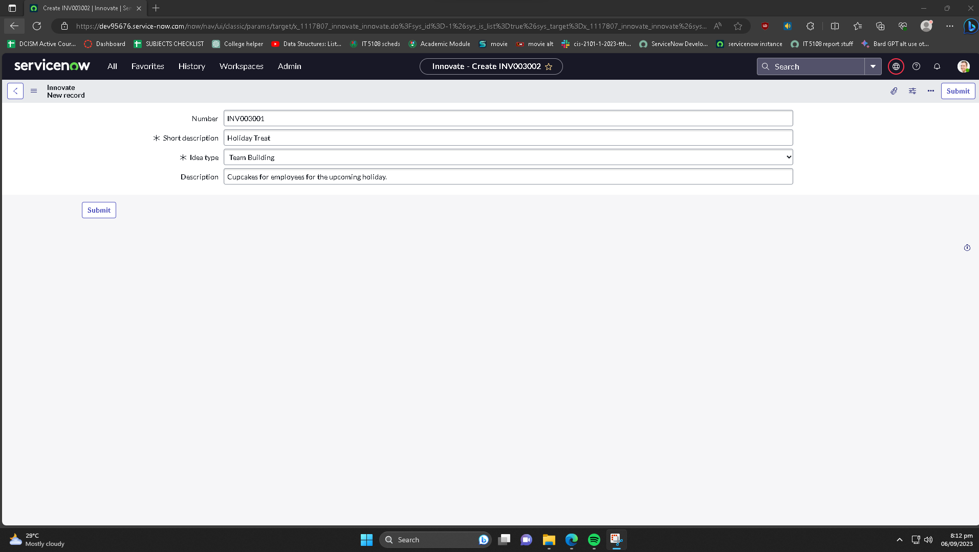
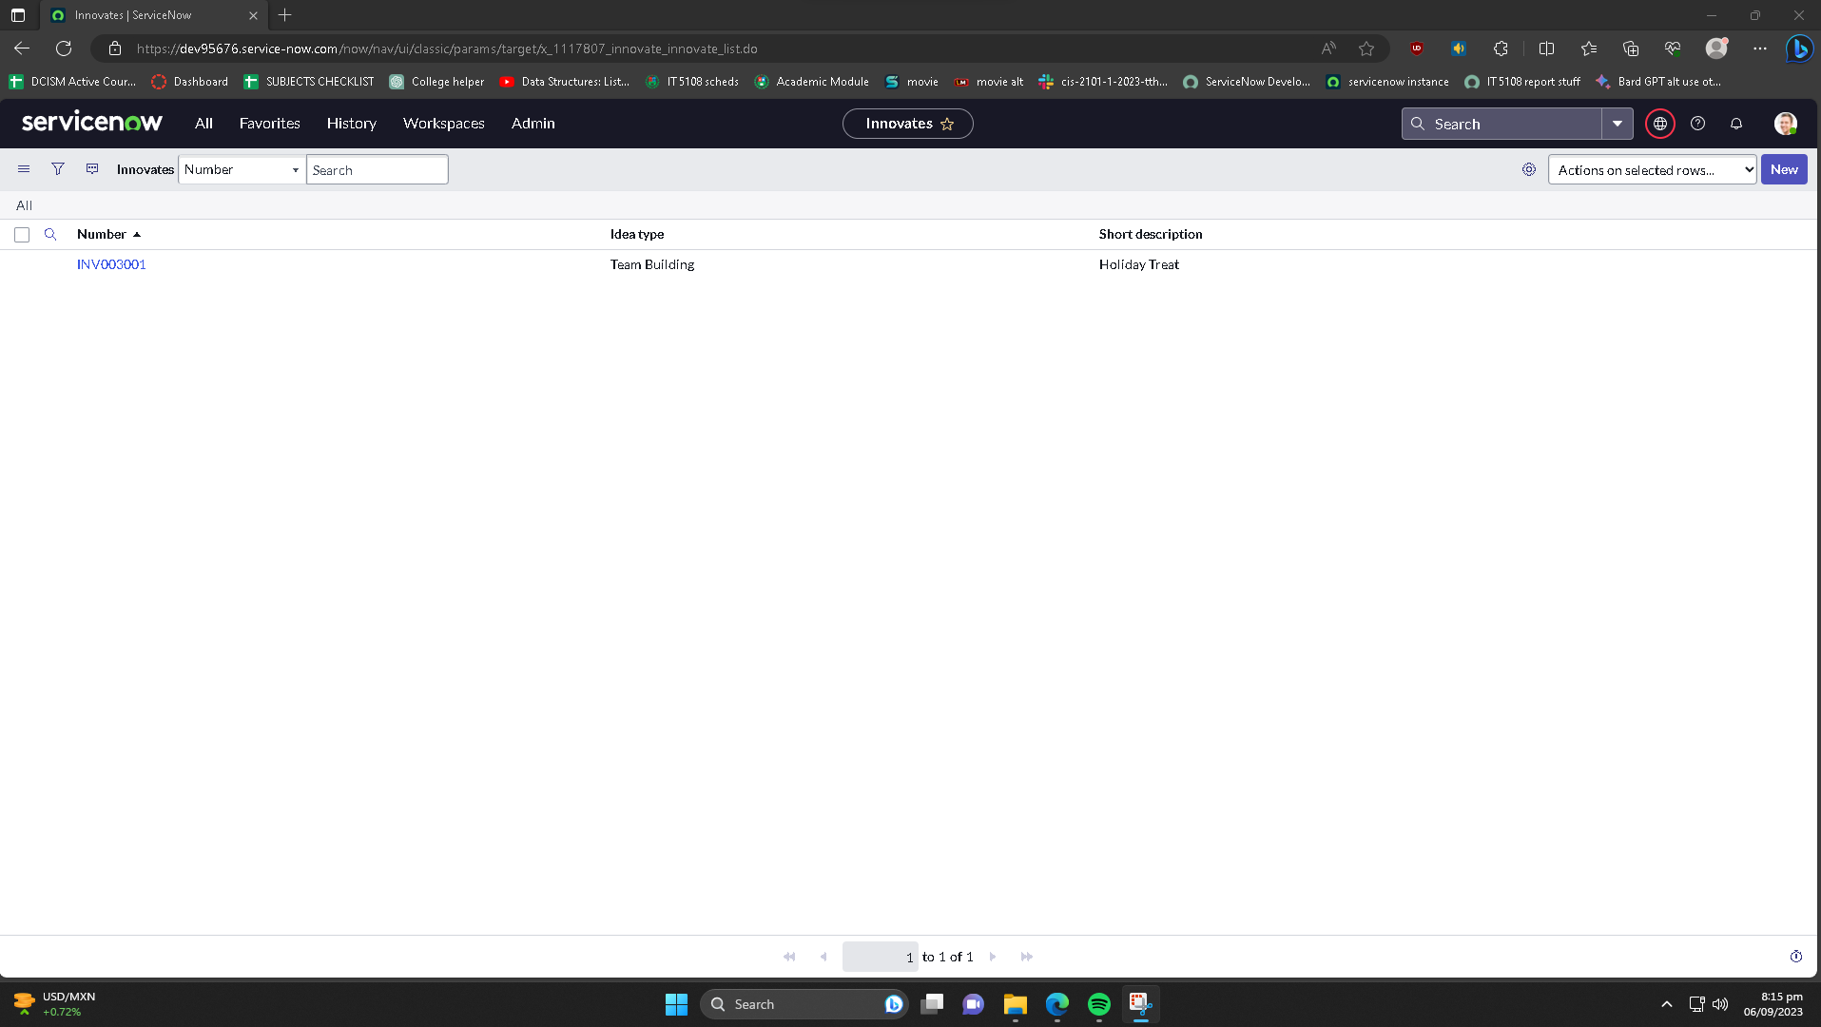
Name: | YEVGENY GRAZIO MARI ALBANO | Exercise/Laboratory: | Exercise 02 Part 1 Create The Innovate App
Block/Section: | IT 5108 | Date: | 09 / 06 / 2023
Github Repository Link:
Created innovate table, with role, label, short description, idea type

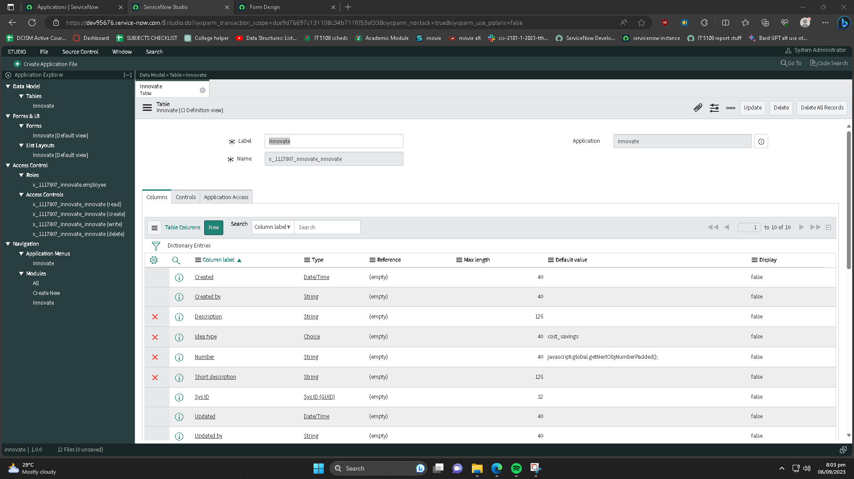

Testing the Innovate App

